ios
Test Report

Client: | Department of Veterans Affairs
Project/Course Name(s) | VA Health and Benefits Version 1.0
Reviewer: | Duane McLean
Date: | 16-Aug-21
Status: | Non-Conformant

Browser | NA
Screen Reader | Voiceover
Other Tools | Manual/MS Paint/Color Contrast Analyzer
IOS Application Audit, iPad 6th gen, software version 14.0.1
ID | WCAG 2.0 SC | WCAG 2.0 SC Level | Severity | Issue Description | Recommended Solution | Location | Screen Shot
1 | 1.3.1 Info and Relationships | A | Critical | The letter generated for the user has a section called How You Can Contact Us. There is a list with 3 bullets in this section. The list is not marked up as a list. So rather than calling out each list item, the screen reader reads the shape of the bullet icon preceding the line and then reads the line. This could be confusing. | Format this as an actual list of bulleted items. | Benefits Summary/ Letters section | 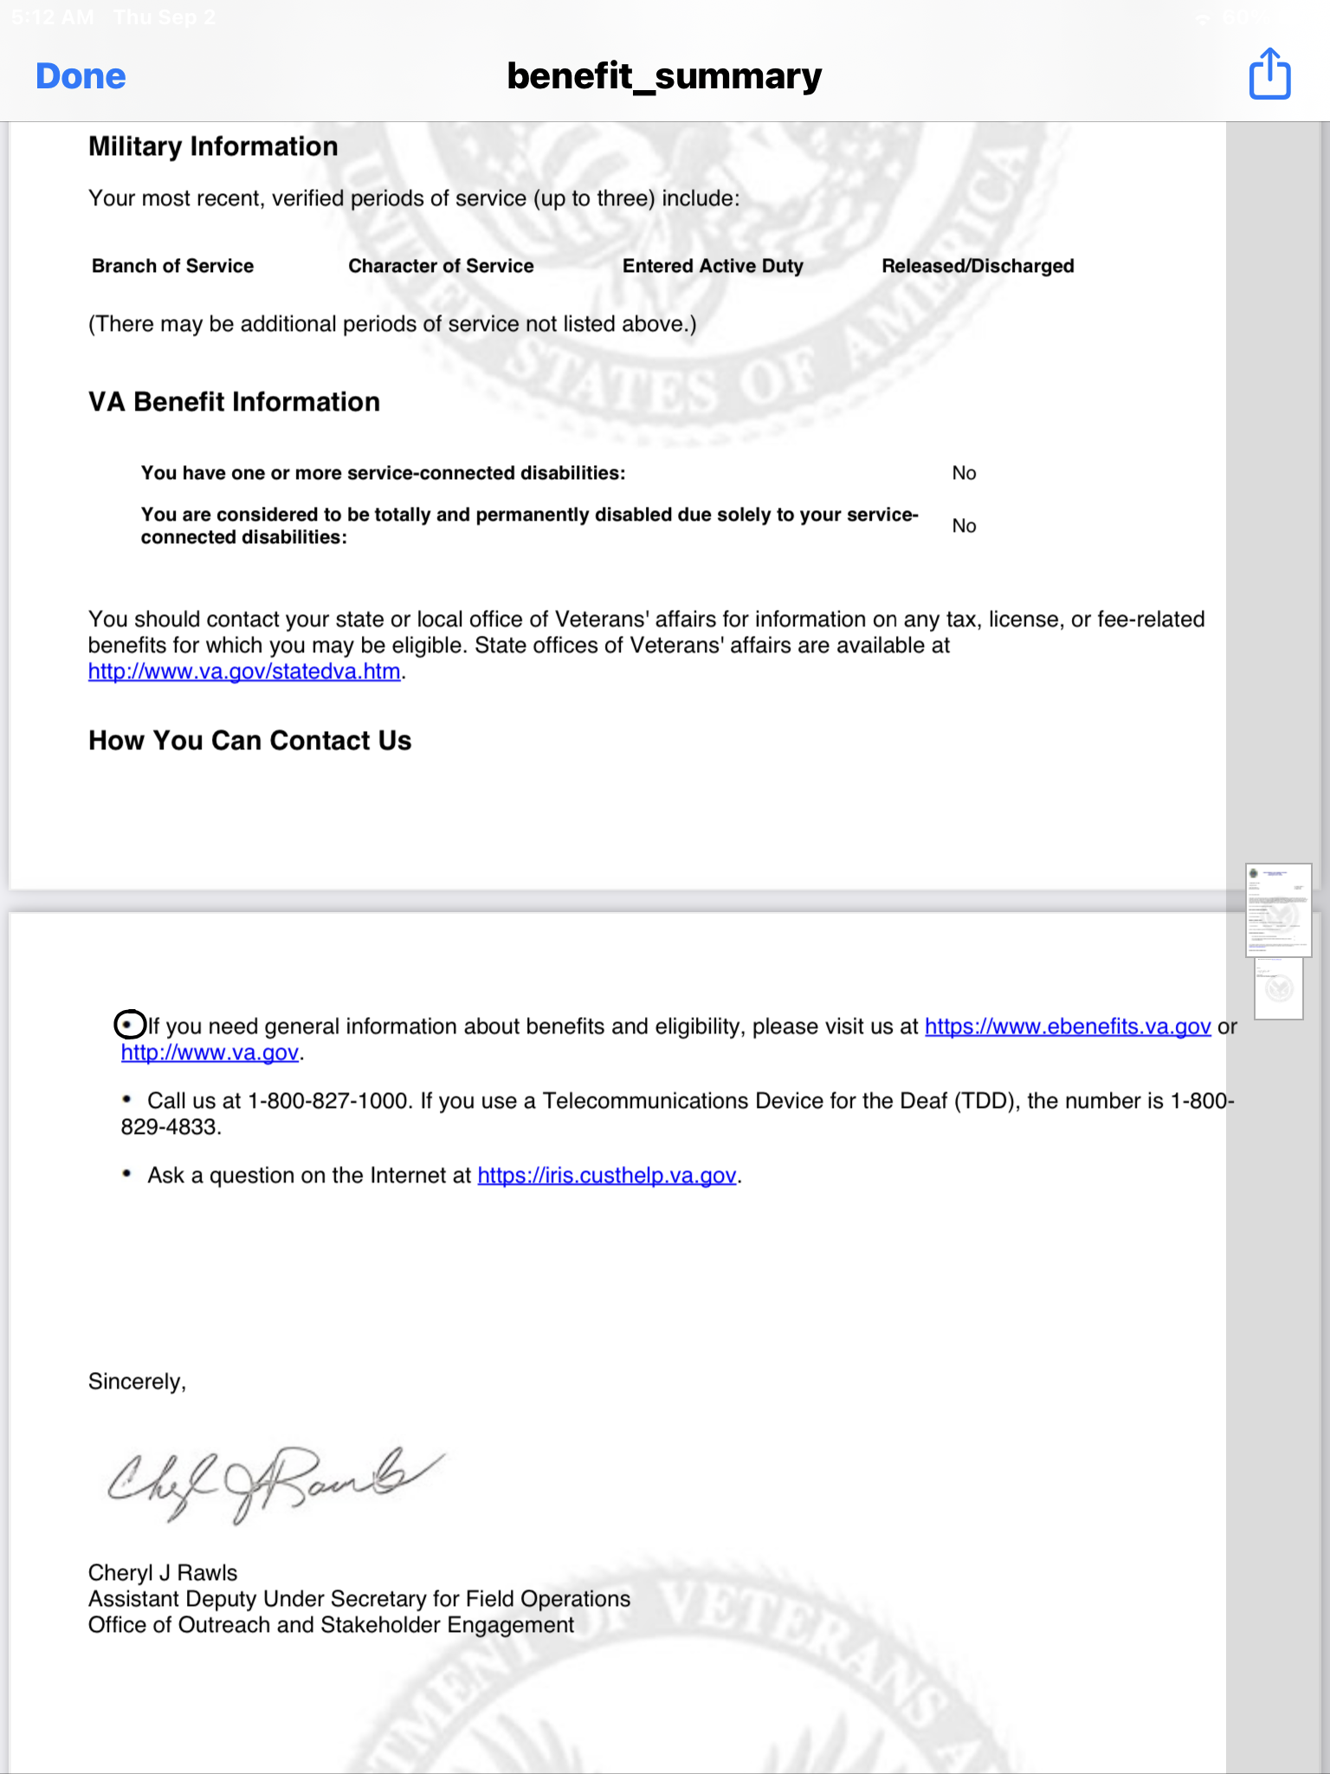
2 | 3.3.2 Labels or Instructions | A | Critical | The lines Your Disability Rating and % Service Connected are not read as they appear. This could be confusing to users. | Text content should be readable as it appears. | Profile | 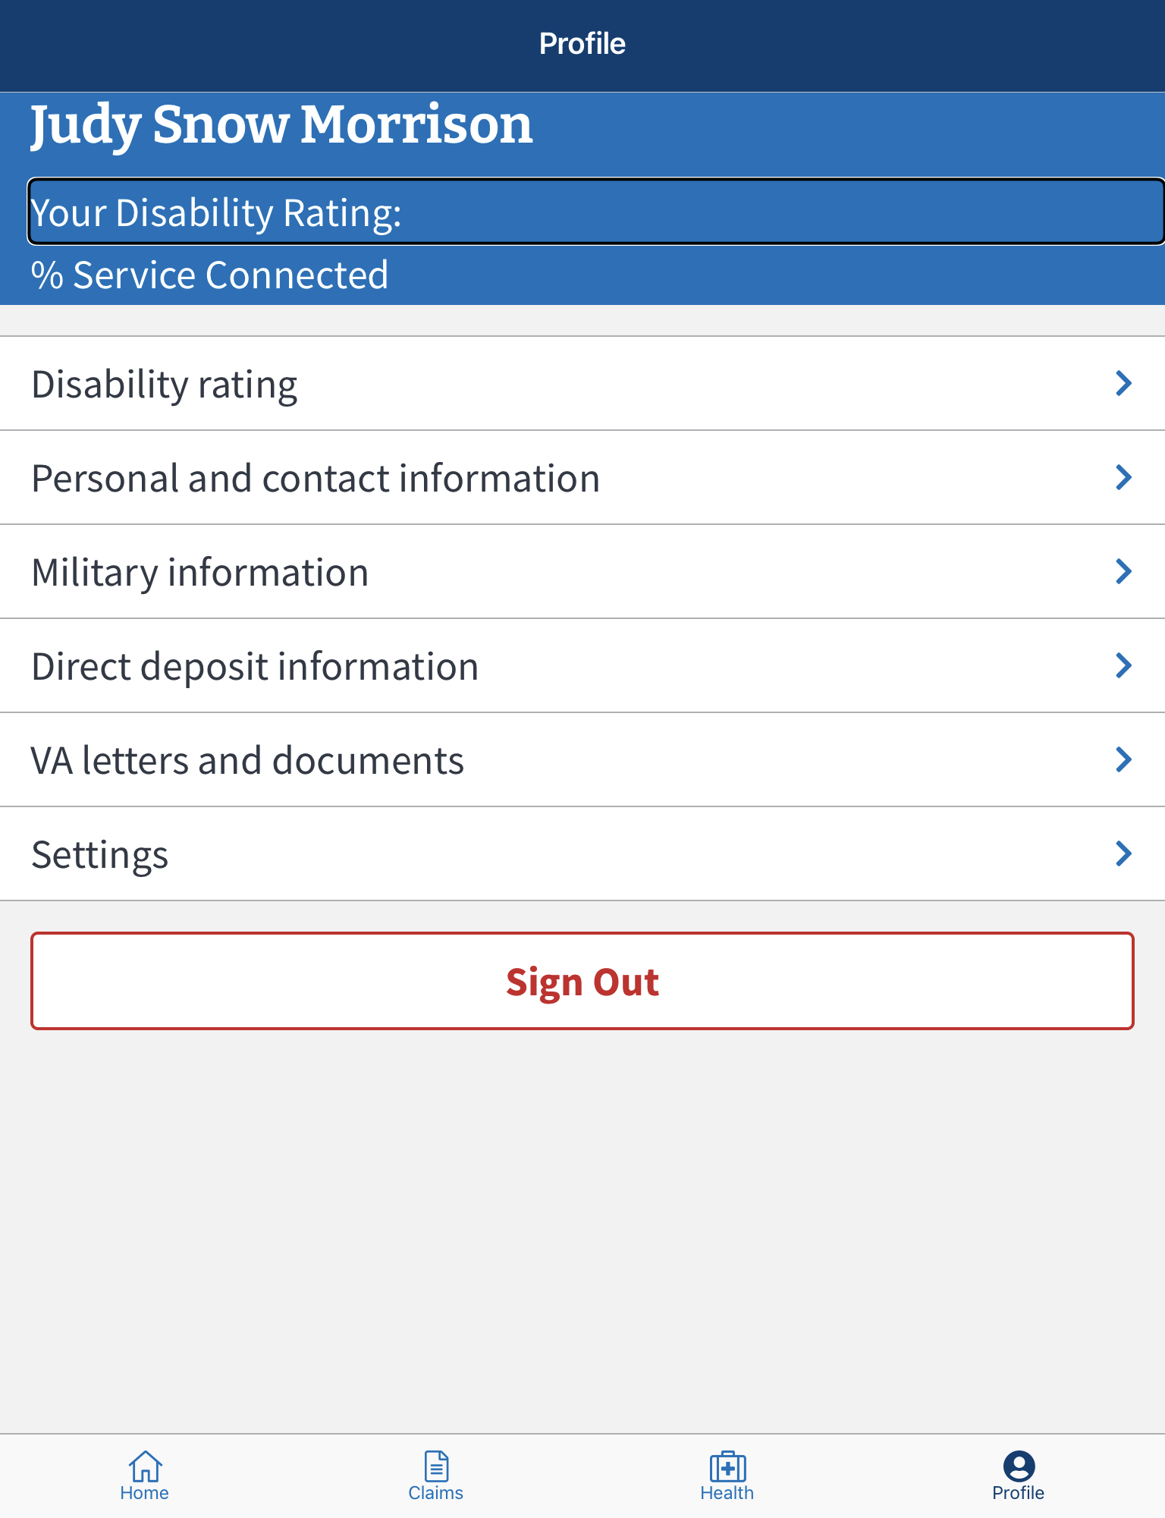

Notes:

